Daily Power Station Chart_14-01
Plant_24/01/2025Chart

Plant:odco1 |  |  | Installed Capacity:111.180kWp
Today Yield(kWh):562.900kWh |  | Today Earning:225160.000TND |  | Today Full Load Hours(h):5.06h

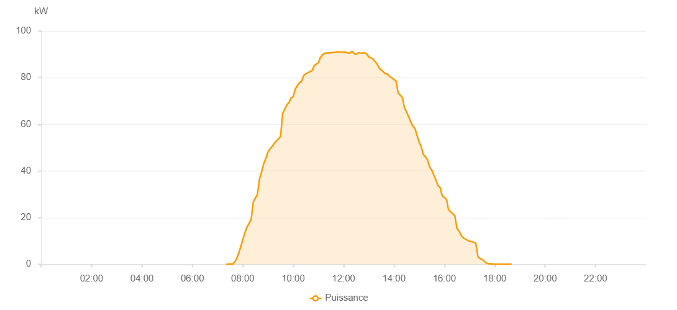

Number | Time | Working State | PV(W) | Instantaneous Radiation(W/㎡)
1 | 07:20:00 | Online | 20.00000 | 0
2 | 07:25:00 | Online | 70.00000 | 0
3 | 07:30:00 | Online | 190.00000 | 1.00000
4 | 07:35:00 | Online | 20.00000 | 5.00000
5 | 07:40:00 | Online | 770.00000 | 8.00000
6 | 07:45:00 | Online | 2250.00000 | 16.00000
7 | 07:50:00 | Online | 4570.00000 | 25.00000
8 | 07:55:00 | Online | 7420.00000 | 74.00000
9 | 08:00:00 | Online | 10370.00000 | 102.00000
10 | 08:05:00 | Online | 13610.00000 | 137.00000
11 | 08:10:00 | Online | 15900.00000 | 169.00000
12 | 08:15:00 | Online | 17520.00000 | 201.00000
13 | 08:20:00 | Online | 19300.00000 | 233.00000
14 | 08:25:00 | Online | 26720.00000 | 264.00000
15 | 08:30:00 | Online | 28340.00000 | 293.00000
16 | 08:35:00 | Online | 30060.00000 | 325.00000
17 | 08:40:00 | Online | 36800.00000 | 355.00000
18 | 08:45:00 | Online | 39710.00000 | 380.00000
19 | 08:50:00 | Online | 43110.00000 | 404.00000
20 | 08:55:00 | Online | 45450.00000 | 427.00000
21 | 09:00:00 | Online | 48090.00000 | 453.00000
22 | 09:05:00 | Online | 49510.00000 | 480.00000
23 | 09:10:00 | Online | 50510.00000 | 501.00000
24 | 09:15:00 | Online | 51790.00000 | 524.00000
25 | 09:20:00 | Online | 52880.00000 | 542.00000
26 | 09:25:00 | Online | 53780.00000 | 562.00000
27 | 09:30:00 | Online | 54710.00000 | 579.00000
28 | 09:35:00 | Online | 64690.00000 | 601.00000
29 | 09:40:00 | Online | 66560.00000 | 616.00000
30 | 09:45:00 | Online | 68320.00000 | 633.00000
31 | 09:50:00 | Online | 69320.00000 | 653.00000
32 | 09:55:00 | Online | 71390.00000 | 671.00000
33 | 10:00:00 | Online | 71810.00000 | 684.00000
34 | 10:05:00 | Online | 75050.00000 | 701.00000
35 | 10:10:00 | Online | 76640.00000 | 712.00000
36 | 10:15:00 | Online | 77890.00000 | 730.00000
37 | 10:20:00 | Online | 78380.00000 | 740.00000
38 | 10:25:00 | Online | 80860.00000 | 753.00000
39 | 10:30:00 | Online | 81690.00000 | 761.00000
40 | 10:35:00 | Online | 82080.00000 | 775.00000
41 | 10:40:00 | Online | 82570.00000 | 780.00000
42 | 10:45:00 | Online | 83010.00000 | 793.00000
43 | 10:50:00 | Online | 85100.00000 | 803.00000
44 | 10:55:00 | Online | 85800.00000 | 815.00000
45 | 11:00:00 | Online | 86380.00000 | 820.00000
46 | 11:05:00 | Online | 88670.00000 | 832.00000
47 | 11:10:00 | Online | 89800.00000 | 840.00000
48 | 11:15:00 | Online | 90460.00000 | 844.00000
49 | 11:20:00 | Online | 90580.00000 | 847.00000
50 | 11:25:00 | Online | 90700.00000 | 856.00000
51 | 11:30:00 | Online | 90590.00000 | 858.00000
52 | 11:35:00 | Online | 90820.00000 | 863.00000
53 | 11:40:00 | Online | 90860.00000 | 867.00000
54 | 11:45:00 | Online | 91140.00000 | 873.00000
55 | 11:50:00 | Online | 90940.00000 | 872.00000
56 | 11:55:00 | Online | 90950.00000 | 877.00000
57 | 12:00:00 | Online | 90980.00000 | 879.00000
58 | 12:05:00 | Online | 90900.00000 | 874.00000
59 | 12:10:00 | Online | 90540.00000 | 874.00000
60 | 12:15:00 | Online | 90480.00000 | 873.00000
61 | 12:20:00 | Online | 91310.00000 | 875.00000
62 | 12:25:00 | Online | 90380.00000 | 872.00000
63 | 12:30:00 | Online | 89900.00000 | 868.00000
64 | 12:35:00 | Online | 90670.00000 | 863.00000
65 | 12:40:00 | Online | 90570.00000 | 858.00000
66 | 12:45:00 | Online | 90500.00000 | 857.00000
67 | 12:50:00 | Online | 90690.00000 | 854.00000
68 | 12:55:00 | Online | 90220.00000 | 850.00000
69 | 13:00:00 | Online | 88900.00000 | 841.00000
70 | 13:05:00 | Online | 88450.00000 | 834.00000
71 | 13:10:00 | Online | 87990.00000 | 828.00000
72 | 13:15:00 | Online | 86950.00000 | 823.00000
73 | 13:20:00 | Online | 85750.00000 | 817.00000
74 | 13:25:00 | Online | 84090.00000 | 809.00000
75 | 13:30:00 | Online | 83260.00000 | 800.00000
76 | 13:35:00 | Online | 82450.00000 | 783.00000
77 | 13:40:00 | Online | 81650.00000 | 774.00000
78 | 13:45:00 | Online | 81450.00000 | 767.00000
79 | 13:50:00 | Online | 80470.00000 | 751.00000
80 | 13:55:00 | Online | 79960.00000 | 745.00000
81 | 14:00:00 | Online | 79180.00000 | 736.00000
82 | 14:05:00 | Online | 78540.00000 | 719.00000
83 | 14:10:00 | Online | 73450.00000 | 706.00000
84 | 14:15:00 | Online | 72430.00000 | 691.00000
85 | 14:20:00 | Online | 71540.00000 | 676.00000
86 | 14:25:00 | Online | 67080.00000 | 661.00000
87 | 14:30:00 | Online | 65340.00000 | 646.00000
88 | 14:35:00 | Online | 63340.00000 | 626.00000
89 | 14:40:00 | Online | 61030.00000 | 608.00000
90 | 14:45:00 | Online | 59150.00000 | 589.00000
91 | 14:50:00 | Online | 58220.00000 | 573.00000
92 | 14:55:00 | Online | 55170.00000 | 559.00000
93 | 15:00:00 | Online | 52360.00000 | 540.00000
94 | 15:05:00 | Online | 50420.00000 | 521.00000
95 | 15:10:00 | Online | 46980.00000 | 500.00000
96 | 15:15:00 | Online | 46130.00000 | 478.00000
97 | 15:20:00 | Online | 44720.00000 | 467.00000
98 | 15:25:00 | Online | 41670.00000 | 448.00000
99 | 15:30:00 | Online | 40390.00000 | 431.00000
100 | 15:35:00 | Online | 38170.00000 | 407.00000
101 | 15:40:00 | Online | 36060.00000 | 386.00000
102 | 15:45:00 | Online | 33720.00000 | 363.00000
103 | 15:50:00 | Online | 32870.00000 | 342.00000
104 | 15:55:00 | Online | 29330.00000 | 323.00000
105 | 16:00:00 | Online | 28640.00000 | 307.00000
106 | 16:05:00 | Online | 27880.00000 | 288.00000
107 | 16:10:00 | Online | 23410.00000 | 265.00000
108 | 16:15:00 | Online | 22500.00000 | 75.00000
109 | 16:20:00 | Online | 21660.00000 | 70.00000
110 | 16:25:00 | Online | 20830.00000 | 64.00000
111 | 16:30:00 | Online | 15370.00000 | 60.00000
112 | 16:35:00 | Online | 14250.00000 | 56.00000
113 | 16:40:00 | Online | 12440.00000 | 53.00000
114 | 16:45:00 | Online | 11360.00000 | 49.00000
115 | 16:50:00 | Online | 10830.00000 | 46.00000
116 | 16:55:00 | Online | 10310.00000 | 42.00000
117 | 17:00:00 | Online | 9890.00000 | 37.00000
118 | 17:05:00 | Online | 9730.00000 | 37.00000
119 | 17:10:00 | Online | 9390.00000 | 32.00000
120 | 17:15:00 | Online | 9050.00000 | 29.00000
121 | 17:20:00 | Online | 3160.00000 | 24.00000
122 | 17:25:00 | Online | 2460.00000 | 20.00000
123 | 17:30:00 | Online | 2080.00000 | 17.00000
124 | 17:35:00 | Online | 1300.00000 | 14.00000
125 | 17:40:00 | Online | 550.00000 | 9.00000
126 | 17:45:00 | Online | 170.00000 | 5.00000
127 | 17:50:00 | Online | 260.00000 | 2.00000
128 | 17:55:00 | Online | 80.00000 | 0
129 | 18:00:00 | Online | 70.00000 | 0
130 | 18:05:00 | Online | 40.00000 | 0
131 | 18:10:00 | Online | 40.00000 | 0
132 | 18:15:00 | Online | 40.00000 | 0
133 | 18:20:00 | Online | 40.00000 | 0
134 | 18:25:00 | Online | 40.00000 | 0
135 | 18:30:00 | Online | 40.00000 | 0
136 | 18:35:00 | Online | 40.00000 | 0
137 | 18:40:00 | Online | 40.00000 | 0
138 | 19:00:00 | Online | 0.00001 | 0.00001

